Sheet1
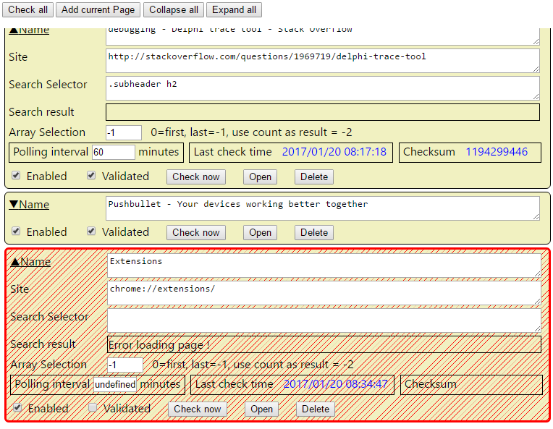

Add a waiting glass (change popup icon ?)
Add import/export button

Array selection : change look : first, last,use cout, specific index
 | O first element
 | O Last element
 | O use count as result
 | O Specific index

Publish

bower : tracetool.js

